Dynamic Full Page with carousel
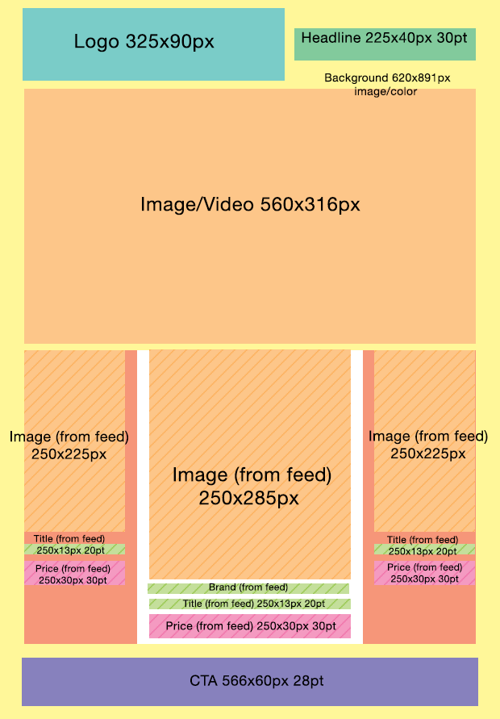
Dynamic Full Page with carousel
https://media.sanoma.fi/en/tools-mediaplanning/material-instructions/online-material-instructions/dynamic-advertising-material#dynamic-full-page-with-carousel
https://media.sanoma.fi/en/tools-mediaplanning/material-instructions/online-material-instructions/dynamic-advertising-material#dynamic-full-page-with-carousel-image-product-slider

Ad tracking and behaviour
Impression pixel
Click tracker for feed items
Upper part photo / video link
Initial animation |  | YES / NO
Autorotation |  | YES / NO

UTM-parameters
Campaign
Source
Medium
Term
Content

Background colour or image and upper part creative
Choose |  | DEFAULT #FFFFFF
Logo file name
Upper part photo / video file name

Banner elements
You can use these default fonts: Arial, Helvetica, Verdana, Times and Georgia.
You can use your own fonts in the ad, in which case you need to send us .woff or .ttf font files.

Optional fields
 | Is the field visible? | colour code | font | Text
Headline | YES / NO | Default colour #000000
CTA -button | YES / NO | Default colour #000000

Feed-based fields
 | Is the field visible? | colour code | font | Font style
Title | YES / NO | Default colour #000000
Original price | YES / NO | Default colour #000000
Sale price / Price | YES / NO | Default colour #000000
Extra field for text / Brand | YES / NO | Default colour #000000

Dynamic Parade
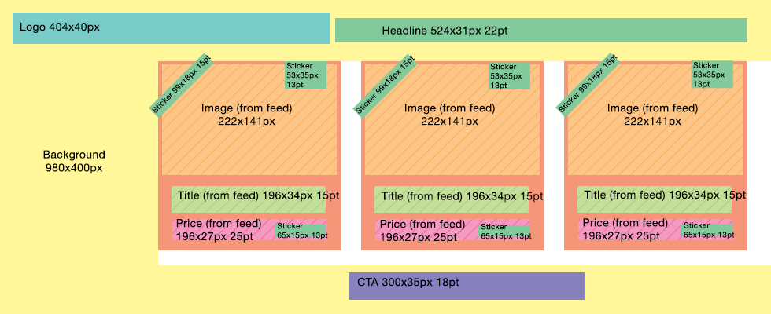
Dynamic Parade
https://media.sanoma.fi/en/tools-mediaplanning/material-instructions/online-material-instructions/dynamic-advertising-material#dynamic-parade

Ad tracking and behaviour
Impression pixel
Click tracker for feed items
Upper part photo / video link
Initial animation |  | YES / NO
Autorotation |  | YES / NO

UTM-parameters
Campaign
Source
Medium
Term
Content
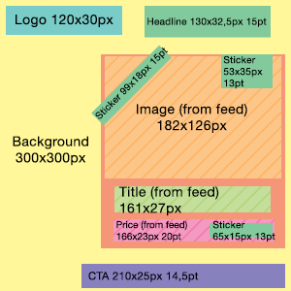
Background colour or image
Choose |  | DEFAULT #FFFFFF
Logo file name

Banner elements
You can use these default fonts: Arial, Helvetica, Verdana, Times and Georgia.
You can use your own fonts in the ad, in which case you need to send us .woff or .ttf font files.

Optional fields
 | Is the field visible? | colour code | font | Text
Headline | YES / NO | Default colour #000000
Upper left sticker | YES / NO | Default colour #000000
Upper right sticker | YES / NO | Default colour #000000
Lower right sticker | YES / NO | Default colour #000000
CTA - button | YES / NO | Default colour #000000

Feed-based fields
 | Is the field visible? | colour code | font
Title | YES / NO | Default colour #000000

Dynamic Half Page

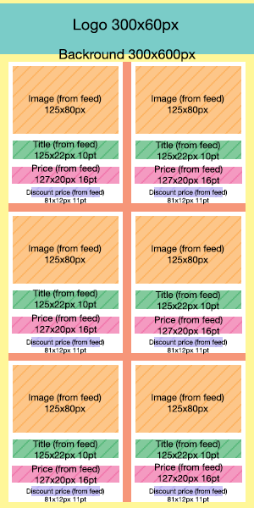
Dynamic Half Page
https://media.sanoma.fi/en/tools-mediaplanning/material-instructions/online-material-instructions/dynamic-advertising-material#dynamic-half-page

Ad tracking and behaviour
Impression pixel
Click tracker for feed items
Upper part photo / video link
Initial animation |  | YES / NO
Autorotation |  | YES / NO

UTM-parameters
Campaign
Source
Medium
Term
Content

Background colour or image
Choose |  | DEFAULT #FFFFFF
Logo file name

Banner elements
You can use these default fonts: Arial, Helvetica, Verdana, Times and Georgia.
You can use your own fonts in the ad, in which case you need to send us .woff or .ttf font files.
 | Is the field visible? | colour code | font | Font style
Title | YES / NO | Default colour #000000
Original price | YES / NO | Default colour #000000

 | Is the field visible? | colour code | font | Text | Font style
Description | YES / NO | Default colour #000000
Arrow text | YES / NO | Default colour #000000
CTA - button | YES / NO | Default colour #000000

Dynamic Full Page

Dynamic Full Page
https://media.sanoma.fi/en/tools-mediaplanning/material-instructions/online-material-instructions/dynamic-advertising-material#dynamic-full-page

Ad tracking and behaviour
Impression pixel
Click tracker for feed items
Upper part photo / video link
Initial animation |  | YES / NO
Autorotation |  | YES / NO

UTM-parameters
Campaign
Source
Medium
Term
Content

Background colour or image
Choose |  | DEFAULT #FFFFFF
Logo file name

Banner elements
You can use these default fonts: Arial, Helvetica, Verdana, Times and Georgia.
You can use your own fonts in the ad, in which case you need to send us .woff or .ttf font files.
 | Is the field visible? | colour code | font | Text | Font style
Original price | YES / NO | Default colour #000000
Price | YES / NO | Default colour #000000
Text field 1: Brand / Title | YES / NO | Default colour #000000
Text field 2: Title / Description | YES / NO | Default colour #000000
CTA - button | YES / NO | Default colour #000000

Dynamic Product Ad


Dynamic Product Ad
https://media.sanoma.fi/en/tools-mediaplanning/material-instructions/online-material-instructions/dynamic-advertising-material#dynamic-product-ad

Ad tracking and behaviour
Impression pixel
Click tracker for feed items
Upper part photo / video link
Initial animation |  | YES / NO
Autorotation |  | YES / NO

UTM-parameters
Campaign
Source
Medium
Term
Content

Background colour or image
Choose |  | DEFAULT #FFFFFF
Logo file name

Banner elements
You can use these default fonts: Arial, Helvetica, Verdana, Times and Georgia.
You can use your own fonts in the ad, in which case you need to send us .woff or .ttf font files.
 | Is the field visible? | colour code | font | Text
Advertiser | YES / NO | Default colour #000000
CTA | YES / NO | Default colour #000000
Headline | YES / NO | Default colour #000000
Description | YES / NO | Default colour #000000

Dynamic Instream (version 1)
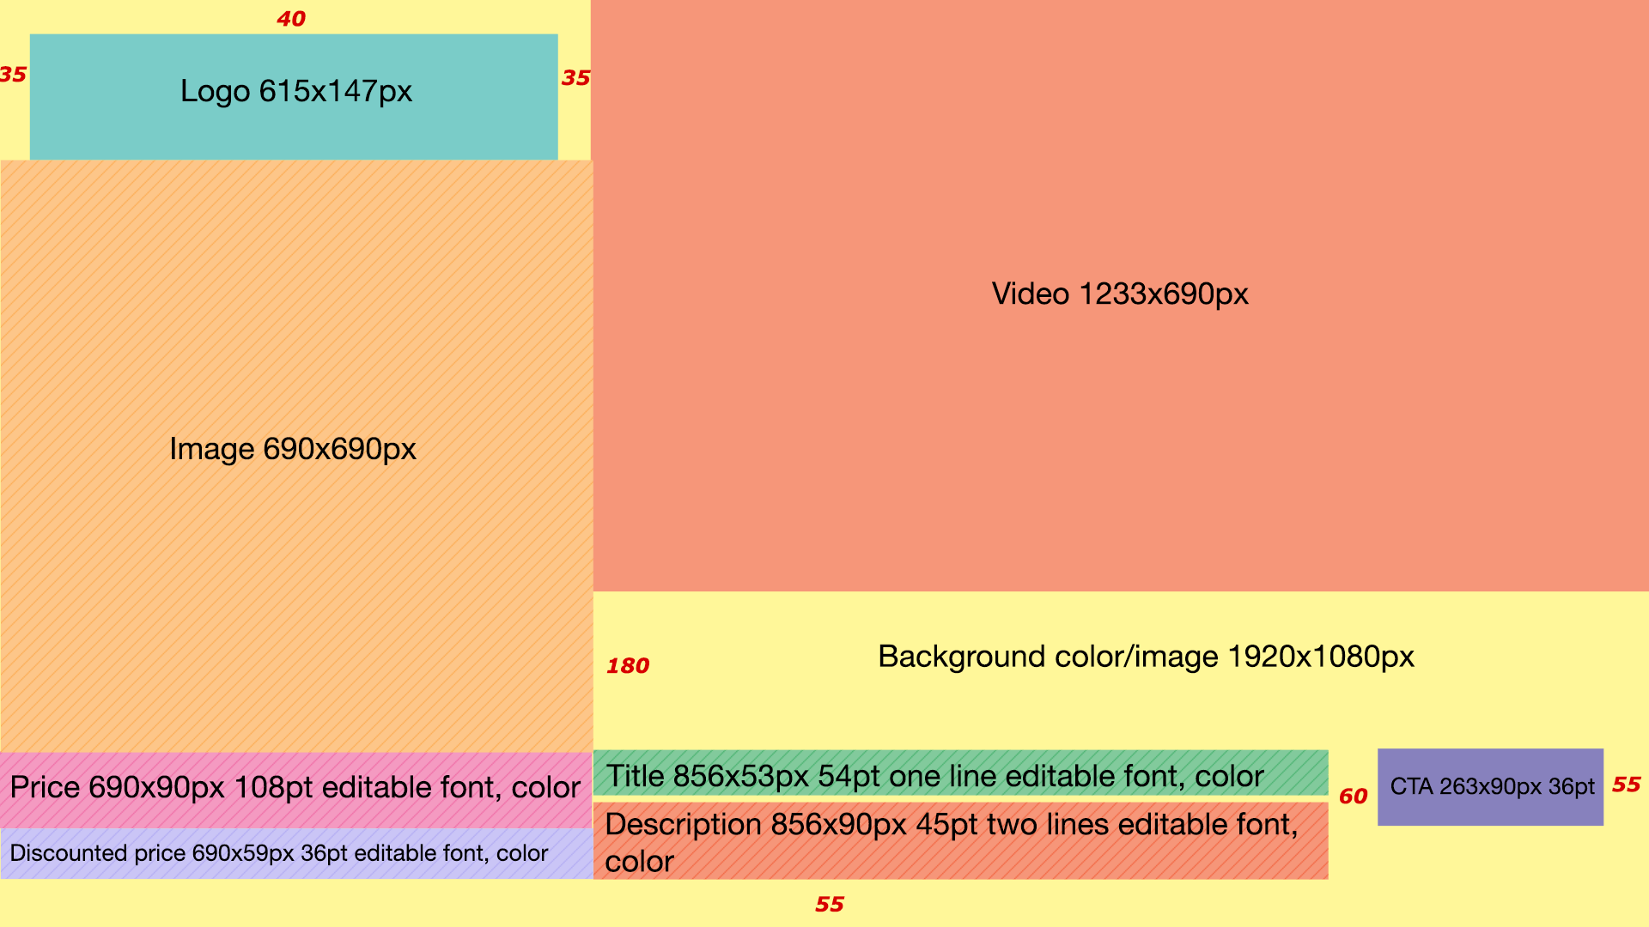
Dynamic Instream (version 1)
https://media.sanoma.fi/en/tools-mediaplanning/material-instructions/online-material-instructions/dynamic-advertising-material#dynamic-instream-version-1

Ad tracking and behaviour
Impression pixel
Click tracker for feed items
Upper part photo / video link
Initial animation |  | YES / NO
Autorotation |  | YES / NO

UTM-parameters
Campaign
Source
Medium
Term
Content

Background colour or image
Choose |  | DEFAULT #FFFFFF
Logo file name

Banner elements
You can use these default fonts: Arial, Helvetica, Verdana, Times and Georgia.
You can use your own fonts in the ad, in which case you need to send us .woff or .ttf font files.
 | Is the field visible? | colour code
Title | YES / NO | Default colour #000000
Original price | YES / NO | Default colour #000000
Description | YES / NO | Default colour #000000

Dynamic Instream (version 2)
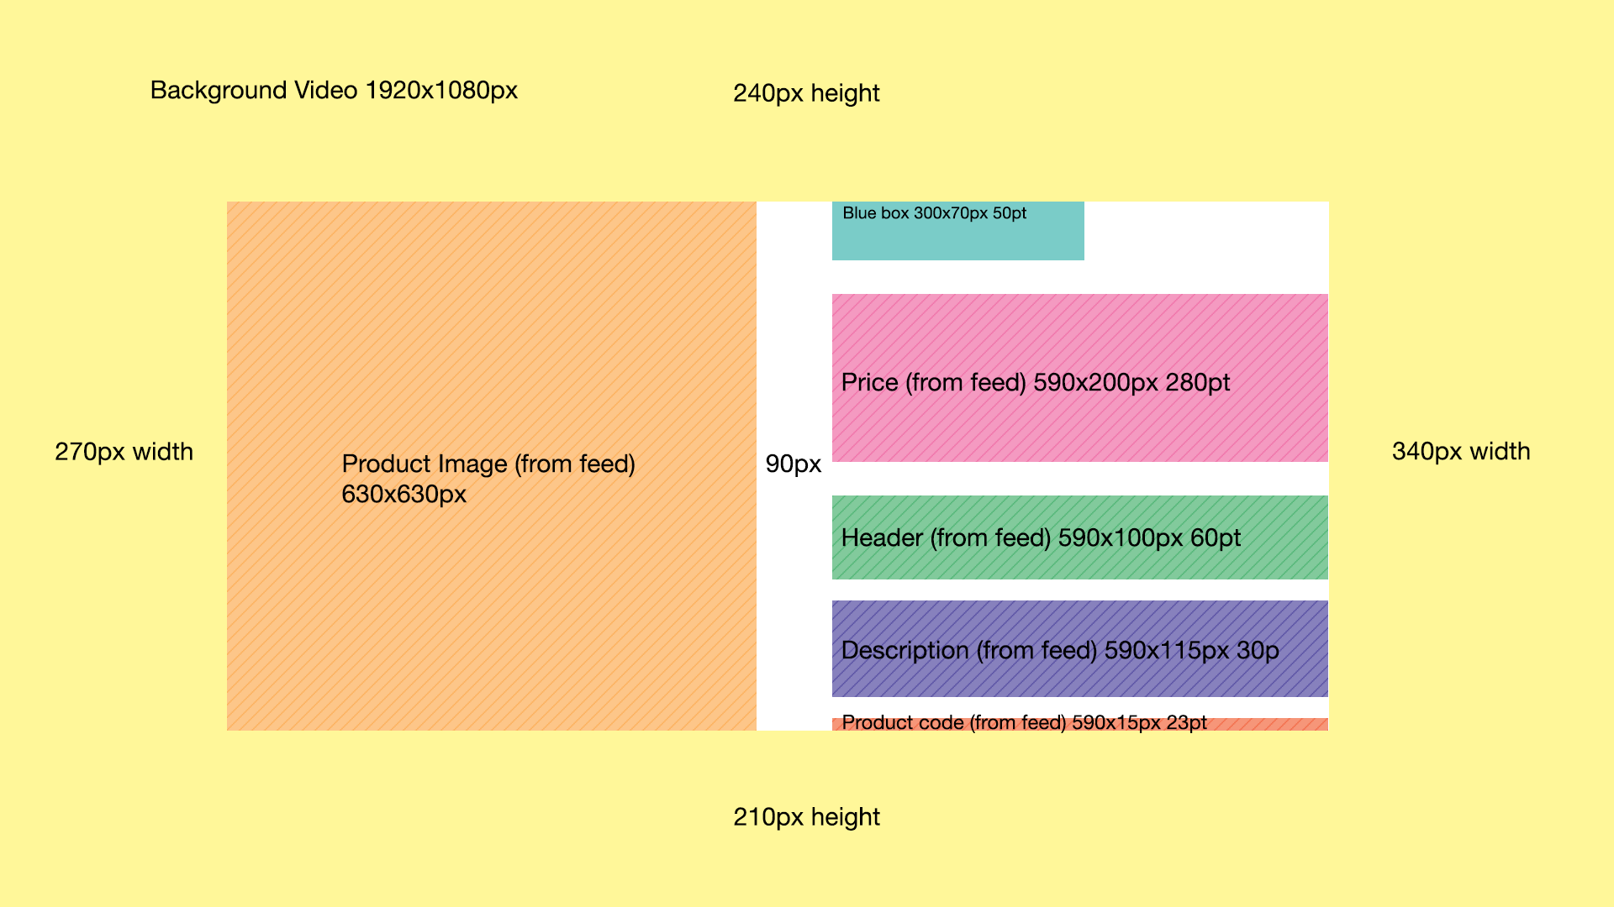
Dynamic Instream (version 2)
https://media.sanoma.fi/en/tools-mediaplanning/material-instructions/online-material-instructions/dynamic-advertising-material#dynamic-instream-version-2

Ad tracking and behaviour
Impression pixel
Click tracker for feed items
Upper part photo / video link
Initial animation |  | YES / NO
Autorotation |  | YES / NO

UTM-parameters
Campaign
Source
Medium
Term
Content

Background colour or image
Choose |  | DEFAULT #FFFFFF
Logo file name

Banner elements
You can use these default fonts: Arial, Helvetica, Verdana, Times and Georgia.
You can use your own fonts in the ad, in which case you need to send us .woff or .ttf font files.
 | Is the field visible? | colour code
Title | YES / NO | Default colour #000000
Original price | YES / NO | Default colour #000000
Description | YES / NO | Default colour #000000

